Daily Power Station Chart_14-01
Plant_25/07/2025Chart

Plant:odco1 |  |  | Installed Capacity:111.180kWp
Today Yield(kWh):504.400kWh |  | Today Earning:201760.000TND |  | Today Full Load Hours(h):4.54h

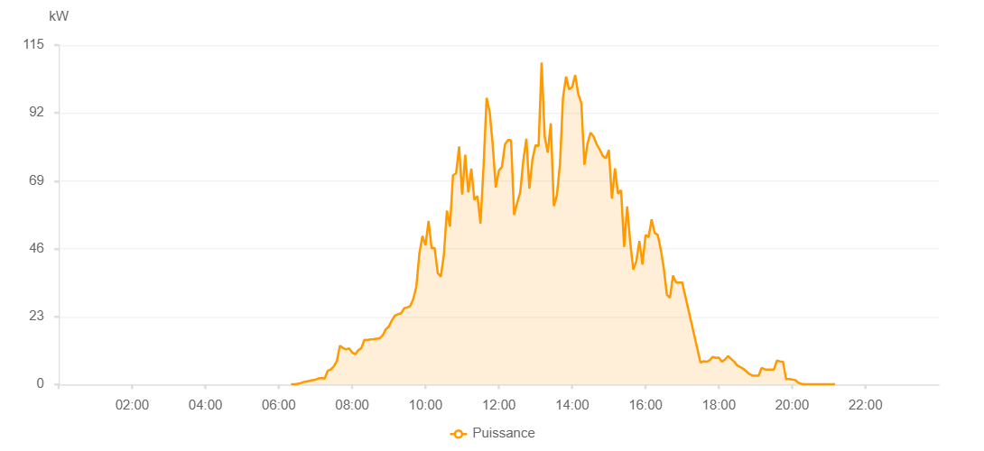

Number | Time | Working State | PV(W) | Instantaneous Radiation(W/㎡)
1 | 06:20:00 | Online | 40.00000 | 0
2 | 06:25:00 | Online | 40.00000 | 0
3 | 06:30:00 | Online | 210.00000 | 0
4 | 06:35:00 | Online | 400.00000 | 3.00000
5 | 06:40:00 | Online | 800.00000 | 7.00000
6 | 06:45:00 | Online | 1010.00000 | 9.00000
7 | 06:50:00 | Online | 1250.00000 | 13.00000
8 | 06:55:00 | Online | 1450.00000 | 19.00000
9 | 07:00:00 | Online | 1620.00000 | 22.00000
10 | 07:05:00 | Online | 2060.00000 | 25.00000
11 | 07:10:00 | Online | 2210.00000 | 35.00000
12 | 07:15:00 | Online | 1980.00000 | 36.00000
13 | 07:20:00 | Online | 4650.00000 | 39.00000
14 | 07:25:00 | Online | 5100.00000 | 48.00000
15 | 07:30:00 | Online | 6170.00000 | 55.00000
16 | 07:35:00 | Online | 8010.00000 | 66.00000
17 | 07:40:00 | Online | 13170.00000 | 92.00000
18 | 07:45:00 | Online | 12350.00000 | 175.00000
19 | 07:50:00 | Online | 11870.00000 | 126.00000
20 | 07:55:00 | Online | 12230.00000 | 122.00000
21 | 08:00:00 | Online | 10830.00000 | 118.00000
22 | 08:05:00 | Online | 10270.00000 | 98.00000
23 | 08:10:00 | Online | 11610.00000 | 102.00000
24 | 08:15:00 | Online | 12340.00000 | 114.00000
25 | 08:20:00 | Online | 15140.00000 | 127.00000
26 | 08:25:00 | Online | 15050.00000 | 147.00000
27 | 08:30:00 | Online | 15300.00000 | 141.00000
28 | 08:35:00 | Online | 15380.00000 | 149.00000
29 | 08:40:00 | Online | 15540.00000 | 150.00000
30 | 08:45:00 | Online | 15660.00000 | 151.00000
31 | 08:50:00 | Online | 16670.00000 | 155.00000
32 | 08:55:00 | Online | 18680.00000 | 165.00000
33 | 09:00:00 | Online | 19630.00000 | 179.00000
34 | 09:05:00 | Online | 21730.00000 | 198.00000
35 | 09:10:00 | Online | 23350.00000 | 225.00000
36 | 09:15:00 | Online | 23830.00000 | 235.00000
37 | 09:20:00 | Online | 24070.00000 | 244.00000
38 | 09:25:00 | Online | 25820.00000 | 249.00000
39 | 09:30:00 | Online | 26100.00000 | 251.00000
40 | 09:35:00 | Online | 26560.00000 | 260.00000
41 | 09:40:00 | Online | 28960.00000 | 255.00000
42 | 09:45:00 | Online | 33180.00000 | 297.00000
43 | 09:50:00 | Online | 44450.00000 | 451.00000
44 | 09:55:00 | Online | 50340.00000 | 458.00000
45 | 10:00:00 | Online | 47150.00000 | 551.00000
46 | 10:05:00 | Online | 55460.00000 | 488.00000
47 | 10:10:00 | Online | 46170.00000 | 633.00000
48 | 10:15:00 | Online | 46200.00000 | 399.00000
49 | 10:20:00 | Online | 37760.00000 | 397.00000
50 | 10:25:00 | Online | 36550.00000 | 389.00000
51 | 10:30:00 | Online | 43850.00000 | 359.00000
52 | 10:35:00 | Online | 58920.00000 | 758.00000
53 | 10:40:00 | Online | 53480.00000 | 751.00000
54 | 10:45:00 | Online | 70920.00000 | 925.00000
55 | 10:50:00 | Online | 71510.00000 | 555.00000
56 | 10:55:00 | Online | 80680.00000 | 921.00000
57 | 11:00:00 | Online | 64350.00000 | 767.00000
58 | 11:05:00 | Online | 77800.00000 | 617.00000
59 | 11:10:00 | Online | 65110.00000 | 751.00000
60 | 11:15:00 | Online | 73120.00000 | 684.00000
61 | 11:20:00 | Online | 62550.00000 | 866.00000
62 | 11:25:00 | Online | 63860.00000 | 669.00000
63 | 11:30:00 | Online | 54560.00000 | 687.00000
64 | 11:35:00 | Online | 73980.00000 | 662.00000
65 | 11:40:00 | Online | 97130.00000 | 1017.00000
66 | 11:45:00 | Online | 92370.00000 | 1051.00000
67 | 11:50:00 | Online | 81270.00000 | 870.00000
68 | 11:55:00 | Online | 66760.00000 | 747.00000
69 | 12:00:00 | Online | 72470.00000 | 669.00000
70 | 12:05:00 | Online | 73710.00000 | 589.00000
71 | 12:10:00 | Online | 81290.00000 | 589.00000
72 | 12:15:00 | Online | 82860.00000 | 849.00000
73 | 12:20:00 | Online | 82770.00000 | 959.00000
74 | 12:25:00 | Online | 57480.00000 | 953.00000
75 | 12:30:00 | Online | 61600.00000 | 589.00000
76 | 12:35:00 | Online | 65070.00000 | 652.00000
77 | 12:40:00 | Online | 75840.00000 | 692.00000
78 | 12:45:00 | Online | 83230.00000 | 1176.00000
79 | 12:50:00 | Online | 66380.00000 | 793.00000
80 | 12:55:00 | Online | 76350.00000 | 1192.00000
81 | 13:00:00 | Online | 81060.00000 | 1016.00000
82 | 13:05:00 | Online | 80750.00000 | 1060.00000
83 | 13:10:00 | Online | 109080.00000 | 1087.00000
84 | 13:15:00 | Online | 83960.00000 | 1199.00000
85 | 13:20:00 | Online | 78580.00000 | 737.00000
86 | 13:25:00 | Online | 88500.00000 | 840.00000
87 | 13:30:00 | Online | 60470.00000 | 549.00000
88 | 13:35:00 | Online | 64140.00000 | 584.00000
89 | 13:40:00 | Online | 74610.00000 | 821.00000
90 | 13:45:00 | Online | 97180.00000 | 1183.00000
91 | 13:50:00 | Online | 104340.00000 | 624.00000
92 | 13:55:00 | Online | 99980.00000 | 1089.00000
93 | 14:00:00 | Online | 100830.00000 | 1047.00000
94 | 14:05:00 | Online | 104870.00000 | 1041.00000
95 | 14:10:00 | Online | 98360.00000 | 733.00000
96 | 14:15:00 | Online | 95320.00000 | 879.00000
97 | 14:20:00 | Online | 74460.00000 | 949.00000
98 | 14:25:00 | Online | 81590.00000 | 870.00000
99 | 14:30:00 | Online | 85300.00000 | 901.00000
100 | 14:35:00 | Online | 84050.00000 | 871.00000
101 | 14:40:00 | Online | 81450.00000 | 843.00000
102 | 14:45:00 | Online | 79620.00000 | 817.00000
103 | 14:50:00 | Online | 77490.00000 | 820.00000
104 | 14:55:00 | Online | 76610.00000 | 792.00000
105 | 15:00:00 | Online | 79510.00000 | 763.00000
106 | 15:05:00 | Online | 62960.00000 | 813.00000
107 | 15:10:00 | Online | 73260.00000 | 602.00000
108 | 15:15:00 | Online | 64600.00000 | 742.00000
109 | 15:20:00 | Online | 65830.00000 | 592.00000
110 | 15:25:00 | Online | 46600.00000 | 679.00000
111 | 15:30:00 | Online | 60370.00000 | 445.00000
112 | 15:35:00 | Online | 48030.00000 | 768.00000
113 | 15:40:00 | Online | 38920.00000 | 571.00000
114 | 15:45:00 | Online | 41840.00000 | 406.00000
115 | 15:50:00 | Online | 48620.00000 | 539.00000
116 | 15:55:00 | Online | 40660.00000 | 525.00000
117 | 16:00:00 | Online | 50650.00000 | 415.00000
118 | 16:05:00 | Online | 49920.00000 | 441.00000
119 | 16:10:00 | Online | 55910.00000 | 454.00000
120 | 16:15:00 | Online | 51390.00000 | 576.00000
121 | 16:20:00 | Online | 50650.00000 | 496.00000
122 | 16:25:00 | Online | 45740.00000 | 514.00000
123 | 16:30:00 | Online | 39270.00000 | 431.00000
124 | 16:35:00 | Online | 30360.00000 | 348.00000
125 | 16:40:00 | Online | 29400.00000 | 285.00000
126 | 16:45:00 | Online | 36910.00000 | 309.00000
127 | 16:50:00 | Online | 34570.00000 | 282.00000
128 | 16:55:00 | Online | 34570.00000 | 312.00000
129 | 17:00:00 | Online | 34570.00000 | 312.00000
130 | 17:25:00 | Online | 0.00001 | 0.00001
131 | 17:30:00 | Online | 7390.00000 | 312.00000
132 | 17:35:00 | Online | 7880.00000 | 173.00000
133 | 17:40:00 | Online | 7710.00000 | 173.00000
134 | 17:45:00 | Online | 8200.00000 | 173.00000
135 | 17:50:00 | Online | 9350.00000 | 173.00000
136 | 17:55:00 | Online | 9000.00000 | 173.00000
137 | 18:00:00 | Online | 9070.00000 | 173.00000
138 | 18:05:00 | Online | 7720.00000 | 173.00000
139 | 18:10:00 | Online | 8470.00000 | 173.00000
140 | 18:15:00 | Online | 9630.00000 | 173.00000
141 | 18:20:00 | Online | 8680.00000 | 173.00000
142 | 18:25:00 | Online | 7760.00000 | 173.00000
143 | 18:30:00 | Online | 6460.00000 | 173.00000
144 | 18:35:00 | Online | 5900.00000 | 173.00000
145 | 18:40:00 | Online | 5340.00000 | 173.00000
146 | 18:45:00 | Online | 4450.00000 | 173.00000
147 | 18:50:00 | Online | 3520.00000 | 173.00000
148 | 18:55:00 | Online | 3010.00000 | 173.00000
149 | 19:00:00 | Online | 3000.00000 | 173.00000
150 | 19:05:00 | Online | 3000.00000 | 173.00000
151 | 19:10:00 | Online | 5600.00000 | 55.00000
152 | 19:15:00 | Online | 5140.00000 | 56.00000
153 | 19:20:00 | Online | 5030.00000 | 50.00000
154 | 19:25:00 | Online | 5030.00000 | 50.00000
155 | 19:30:00 | Online | 5030.00000 | 50.00000
156 | 19:35:00 | Online | 8110.00000 | 30.00000
157 | 19:40:00 | Online | 7820.00000 | 28.00000
158 | 19:45:00 | Online | 7750.00000 | 21.00000
159 | 19:50:00 | Online | 1870.00000 | 22.00000
160 | 19:55:00 | Online | 1820.00000 | 21.00000
161 | 20:00:00 | Online | 1710.00000 | 18.00000
162 | 20:05:00 | Online | 1470.00000 | 15.00000
163 | 20:10:00 | Online | 590.00000 | 12.00000
164 | 20:15:00 | Online | 230.00000 | 7.00000
165 | 20:20:00 | Online | 60.00000 | 2.00000
166 | 20:25:00 | Online | 40.00000 | 2.00000
167 | 20:30:00 | Online | 40.00000 | 1.00000
168 | 20:35:00 | Online | 40.00000 | 0
169 | 20:40:00 | Online | 40.00000 | 0
170 | 20:45:00 | Online | 40.00000 | 1.00000
171 | 20:50:00 | Online | 40.00000 | 0
172 | 20:55:00 | Online | 40.00000 | 0
173 | 21:00:00 | Online | 40.00000 | 0
174 | 21:05:00 | Online | 40.00000 | 0
175 | 21:10:00 | Online | 40.00000 | 0
176 | 21:30:00 | Online | 0.00001 | 0.00001

